Sheet
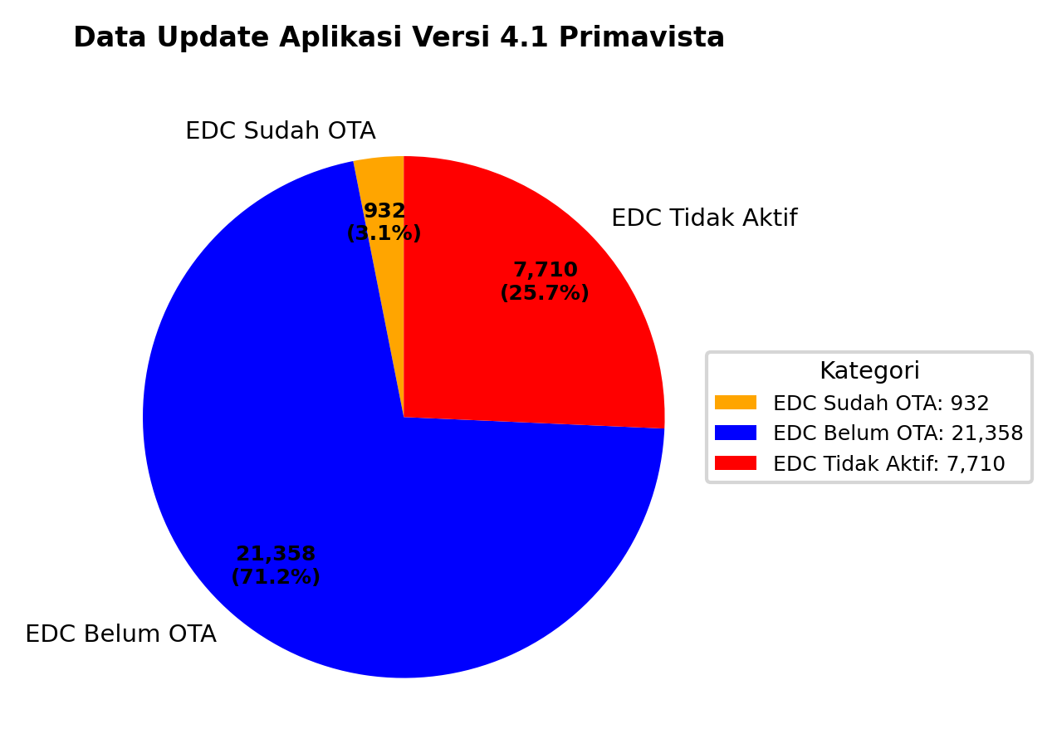
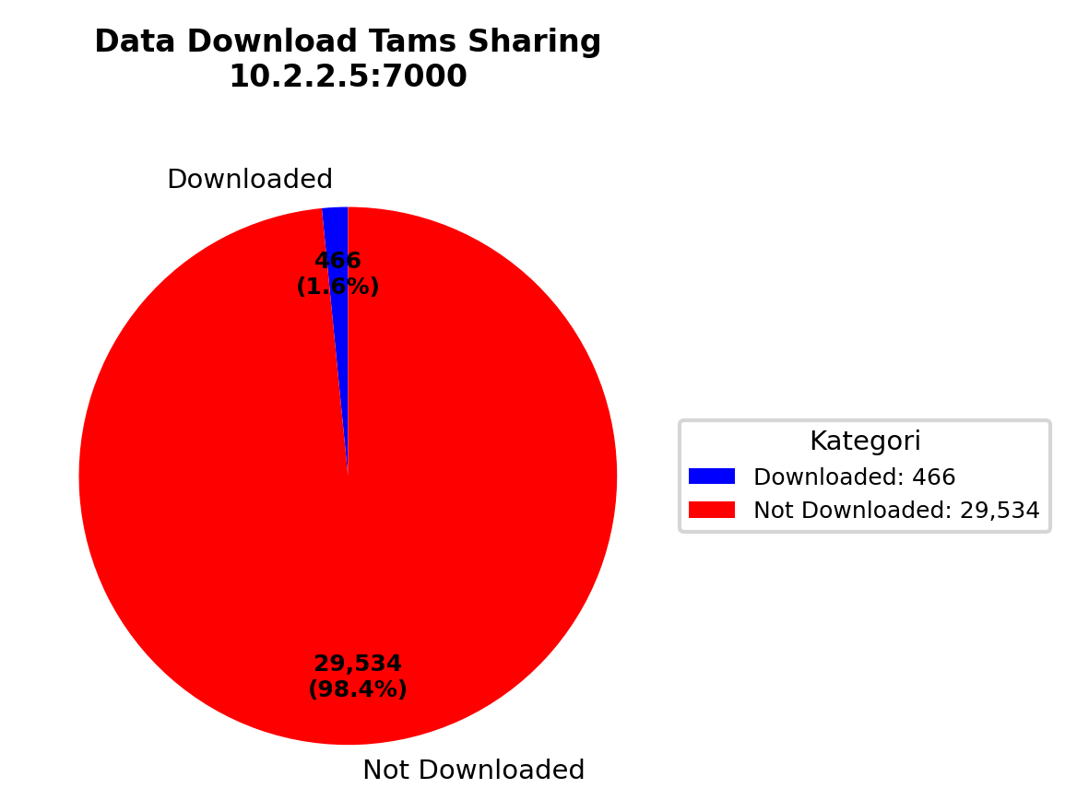
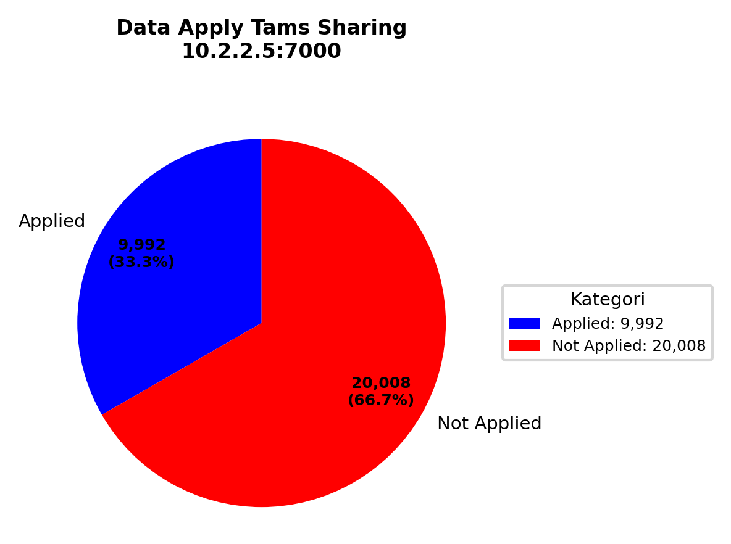
TAMS SHARING 10.2.2.5:7000 |  |  |  |  | 1. Data Download Tams Sharing 10.2.2.5:7000 | 2. Data Apply Tams Sharing 10.2.2.5:7000
Type | Populasi Tams | Download Completed start Scheduller | Apply config | Active transaksi
A920pro | 8791 | 317 | 5703 | 6534
X990 | 6846 | 149 | 4289 | 4611
Total | 15637 | 466 | 9992 | 11145

TAMS FMS 10.2.30.2:7000
Type | Populasi Tams | Download Completed start Scheduller | Apply config | Active transaksi
A920pro | 8791 | 317 | 5703 | 6534
X990 | 6846 | 149 | 4289 | 4611
Total | 15637 | 466 | 9992 | 11145

TAMS FMS dan SHARING

Type | Populasi Tams | Download Completed start Scheduller | Apply config | Active transaksi
A920pro | 17582 | 634 | 11406 | 13068
X990 | 13692 | 298 | 8578 | 9222
Total | 31274 | 932 | 19984 | 22290 | 3. Data Download Tams FMS 10.2.30.2:7000 | 4. Data Apply Tams FMS 10.2.30.2:7000


Total Populasi | 30000

 |  |  |  |  | 5. Data Download Tams FMS dan Sharing | 6. Data Apply Tams FMS dan Sharing
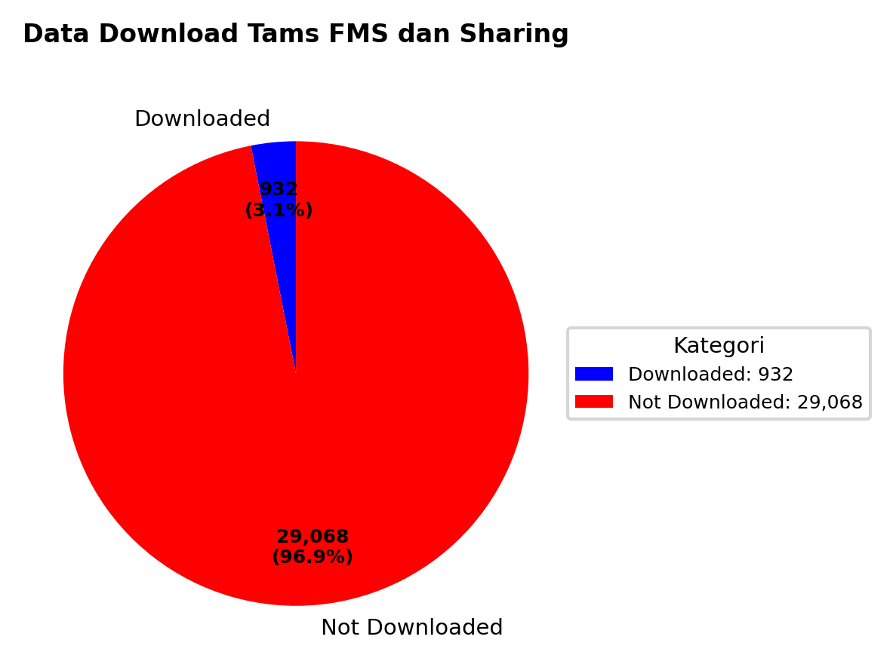
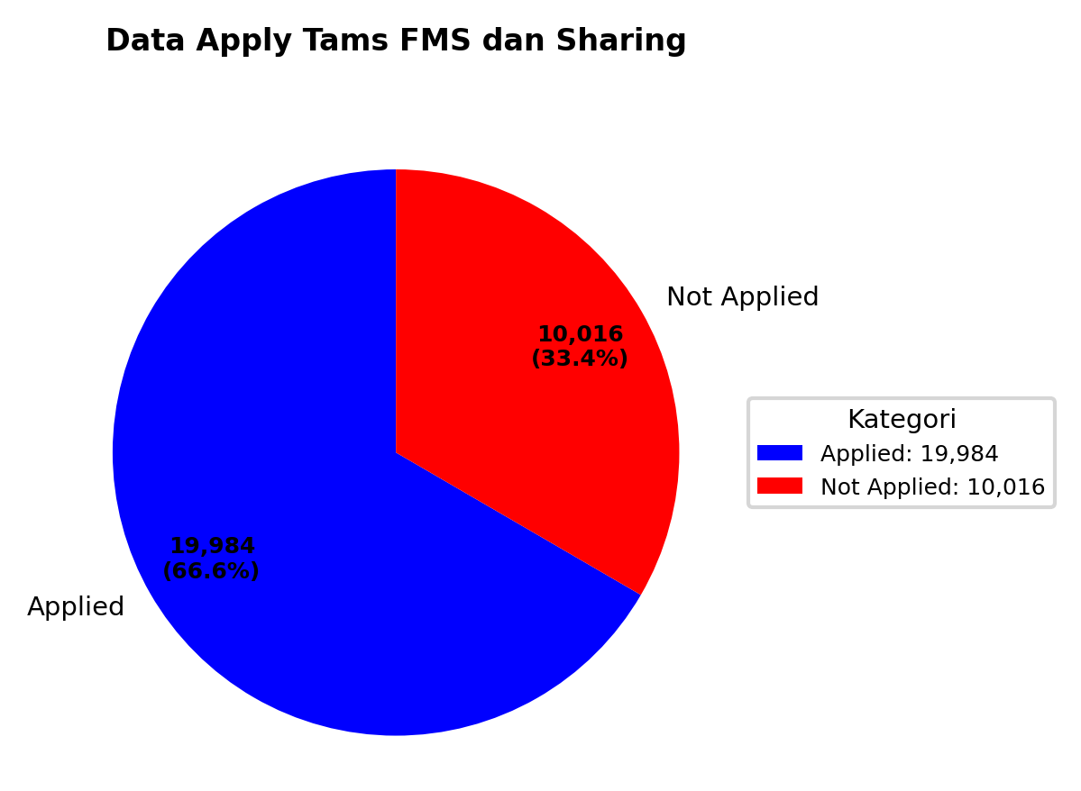

 |  |  |  |  | 7. Data Update Aplikasi Versi

